SDG
 | 1. End poverty in all its forms everywhere | 2. End hunger, achieve food security and improved nutrition and promote sustainable agriculture | 3. Ensure healthy lives and promote well-being for all at all ages | 4. Ensure inclusive and equitable quality education and promote lifelong learning opportunities for all | 5. Achieve gender equality and empower all women and girls | 6. Ensure availability and sustainable management of water and sanitation for all | 7. Ensure access to affordable, reliable, sustainable and modern energy for all | 8. Promote sustained, inclusive and sustainable economic growth, full and productive employment and decent work for all | 9. Build resilient infrastructure, promote inclusive and sustainable industrialization and foster innovation | 10. Reduce inequality within and among countries | 11. Make cities and human settlements inclusive, safe, resilient and sustainable | 12. Ensure sustainable consumption and production patterns | 13. Take urgent action to combat climate change and its impacts | 14. Conserve and sustainably use the oceans, seas and marine resources for sustainable development | 15. Protect, restore and promote sustainable use of terrestrial ecosystems, sustainably manage forests, combat desertification, and halt and reverse land degradation and halt biodiversity loss | 16. Promote peaceful and inclusive societies for sustainable development, provide access to justice for all and build effective, accountable and inclusive institutions at all levels | 17. Strengthen the means of implementation and revitalize the Global Partnership for Sustainable Development |  | Highest weight considered for the ranking | Highest weight in orange data mining

2024 | 174 | 105 | 174 | 316 | 174 | 0 | 223 | 1338 | 454 | 228 | 0 | 0 | 463 | 291 | 343 | 956 | 337 | 328 | 421 | 625
2023 | 288 | 373 | 335 | 149 | 149 | 211 | 403 | 1596 | 407 | 288 | 139 | 174 | 702 | 449 | 449 | 619 | 599 |  | 262 | 461
2022 | 208 | 56 | 412 | 126 | 126 | 56 | 225 | 615 | 417 | 298 | 58 | 180 | 602 | 154 | 154 | 631 | 223 |  | 212 | 409
2021 | 138 | 130 | 726 | 359 | 138 | 130 | 0 | 784 | 224 | 207 | 31 | 0 | 129 | 31 | 31 | 363 | 234 |  | 266 | 432
2020 | 82 | 211 | 299 | 82 | 82 | 200 | 102 | 685 | 196 | 82 | 0 | 55 | 466 | 274 | 274 | 223 | 265 |  | 250 | 390
2019 | 51 | 172 | 153 | 51 | 51 | 127 | 0 | 337 | 207 | 51 | 128 | 0 | 281 | 70 | 70 | 239 | 174 |  | 101 | 426
2018 | 32 | 58 | 98 | 94 | 32 | 60 | 0 | 403 | 67 | 32 | 40 | 0 | 137 | 56 | 56 | 203 | 215 |  | 100 | 317
2017 | 179 | 0 | 179 | 179 | 179 | 41 | 54 | 626 | 370 | 209 | 0 | 0 | 71 | 0 | 0 | 378 | 111 |  | 122 | 358
2016 | 221 | 252 | 331 | 221 | 221 | 244 | 91 | 1394 | 331 | 221 | 79 | 0 | 435 | 135 | 135 | 695 | 295 |  | 239 | 647
2015 | 75 | 30 | 109 | 75 | 75 | 97 | 0 | 503 | 284 | 75 | 230 | 0 | 202 | 63 | 63 | 397 | 231 |  | 142 | 497
2014 | 65 | 0 | 65 | 225 | 65 | 55 | 67 | 555 | 160 | 65 | 35 | 0 | 199 | 106 | 106 | 312 | 219 |  | 93 | 490
2013 | 89 | 128 | 358 | 126 | 89 | 177 | 159 | 393 | 411 | 89 | 195 | 42 | 510 | 66 | 66 | 235 | 100 |  | 195 | 417
2012 | 80 | 39 | 80 | 80 | 80 | 60 | 142 | 400 | 127 | 80 | 0 | 82 | 157 | 36 | 36 | 313 | 172 |  | 63 | 265
2011 | 30 | 73 | 30 | 30 | 30 | 104 | 129 | 518 | 34 | 63 | 0 | 56 | 45 | 17 | 47 | 243 | 265 |  | 87 | 303
2010 | 24 | 116 | 124 | 24 | 24 | 91 | 105 | 497 | 115 | 24 | 0 | 0 | 36 | 25 | 25 | 190 | 208 |  | 69 | 307
2009 | 0 | 30 | 28 | 0 | 0 | 61 | 90 | 311 | 35 | 0 | 0 | 31 | 78 | 36 | 49 | 124 | 177 |  | 59 | 171
2008 | 0 | 114 | 41 | 0 | 0 | 80 | 132 | 552 | 44 | 0 | 0 | 19 | 59 | 31 | 31 | 87 | 214 |  | 110 | 366
2007 | 0 | 10 | 13 | 0 | 0 | 0 | 81 | 110 | 10 | 0 | 0 | 13 | 52 | 12 | 12 | 76 | 53 |  | 35 | 151
2006 | 13 | 25 | 69 | 13 | 13 | 15 | 53 | 177 | 27 | 13 | 0 | 13 | 76 | 20 | 20 | 114 | 36 |  | 34 | 139

 | 376820 | 386075 | 758936 | 469881 | 323018 | 319299 | 390123 | 2368671 | 809032 | 443519 | 166709 | 120542 | 990420 | 438258 | 463527 | 1316001 | 755680 |  | 10896511 | 9.1772494884E-08
 | 0.034581711522 | 0.035431065962 | 0.069649450177 | 0.043122151669 | 0.029644167752 | 0.029302865844 | 0.035802561022 | 0.21737884723 | 0.074246885081 | 0.040702845158 | 0.01529930085 | 0.011062440078 | 0.090893314383 | 0.040220030063 | 0.042539029236 | 0.12077269504 | 0.069350638934

 | 802828 | 841825 | 1571433 | 1002916 | 705211 | 766116 | 826557 | 5224499 | 1768725 | 923935 | 432289 | 247521 | 2096895 | 862252 | 906065 | 2879334 | 1730437 |  | 23588838 | 4.2392931776E-08
 | 0.034034232632 | 0.035687429792 | 0.066617651959 | 0.042516549565 | 0.02989596181 | 0.03247790332 | 0.03504017451 | 0.22148182967 | 0.074981438255 | 0.03916831342 | 0.018325998084 | 0.010493140866 | 0.088893526676 | 0.036553390209 | 0.038410751729 | 0.12206340982 | 0.073358297683

 | 92.052631579 | 101.15789474 | 190.73684211

Proportion des SDGs dans les rapports de risque du WEF de 2006 à 2024 (pondération avec le poids du plus gros des mots classés)
Proportion des SDGs dans les rapports de risque du WEF de 2006 à 2024 (pondération avec le poids du plus gros du data mining)

 | 17- PARTNERSHIPS FOR THE GOALS | 16- PEACE, JUSTICE & STRONG INSTITUTIONS | 15- LIFE ON LAND | 14- LIFE BELOW WATER | 13- CLIMATE ACTION | 12- RESPONSIBLE CONSUMPTION & PRODUCTION | 11- SUSTAINABLE CITIES AND COMMUNITIES | 10- REDUCED INEQUALITIES | 9- INDUSTRY, INNOVATION & INFRASTRUCTURE | 8- DECENT WORK & ECONOMIC GROWTH | 7- AFFORDABLE & CLEAN ENERGY | 6- CLEAN WATER & SANITATION | 5- GENDER EQUALITY | 4- QUALITY EDUCATION | 3- GOOD HEALTH & WELL-BEING | 2- ZERO HUNGER | 1- NO POVERTY
own elaboration | 0.069350638934 | 0.12077269504 | 0.042539029236 | 0.040220030063 | 0.090893314383 | 0.011062440078 | 0.01529930085 | 0.040702845158 | 0.074246885081 | 0.21737884723 | 0.035802561022 | 0.029302865844 | 0.029644167752 | 0.043122151669 | 0.069649450177 | 0.035431065962 | 0.034581711522
source(%) | 1.4683544304 | 3.0886075949 | 6.6329113924 | 5.6202531646 | 10.53164557 | 14.987341772 | 6.8860759494 | 2.4810126582 | 6.3291139241 | 8.4050632911 | 10.734177215 | 6.4303797468 | 0.405063291 | 1.7721518987 | 4.4556962025 | 3.0886075949 | 4.3544303797 | 97.670886076
own elaboration (%) | 6.9350638934 | 12.077269504 | 4.2539029236 | 4.0220030063 | 9.0893314383 | 1.1062440078 | 1.529930085 | 4.0702845158 | 7.4246885081 | 21.737884723 | 3.5802561022 | 2.9302865844 | 2.9644167752 | 4.3122151669 | 6.9649450177 | 3.5431065962 | 3.4581711522 | 100

Distribution of keywords by SDGs. Source : own elaboration

 |  |  |  |  |  |  |  | source = bas
 |  |  |  |  |  |  |  | nous = haut

CSS
 |  |  |  |  |  |  | Highest weight considered for the ranking | Highest weight in orange data mining

 | 1. Compliance | 2. Business-Centered | 3. Systemic | 4. Regenerative | 5. Coevolutionary
2024 | 54 | 1707 | 768 | 581 | 0 |  | 421 | 625 | 7615 | 0.00013131976362 |  |  | 1. Compliance | 2. Business-Centered | 3. Systemic | 4. Regenerative | 5. Coevolutionary
2023 | 54 | 1657 | 1005 | 1108 | 0 |  | 262 | 461 | 6907 | 0.0001447806573 |  | 2024 | 0.0070912672357 | 0.22416283651 | 0.10085357846 | 0.076296782666 | 0
2022 | 53 | 772 | 1027 | 513 | 58 |  | 212 | 409 | 6928 | 0.00014434180139 |  | 2023 | 0.0078181554944 | 0.23990154915 | 0.14550456059 | 0.16041696829 | 0
2021 | 58 | 803 | 1147 | 134 | 31 |  | 266 | 432 | 6311 | 0.0001584534939 |  | 2022 | 0.0076501154734 | 0.11143187067 | 0.14823903002 | 0.074047344111 | 0.0083718244804
2020 | 35 | 799 | 450 | 660 | 0 |  | 250 | 390 | 6539 | 0.00015292858235 |  | 2021 | 0.0091903026462 | 0.1272381556 | 0.1817461575 | 0.021232768183 | 0.0049120583109
2019 | 30 | 493 | 478 | 337 | 0 |  | 101 | 426 | 6927 | 0.00014436263895 |  | 2020 | 0.0053525003823 | 0.1221899373 | 0.068817862058 | 0.10093286435 | 0
2018 | 38 | 463 | 217 | 122 | 40 |  | 100 | 317 | 5127 | 0.00019504583577 |  | 2019 | 0.0043308791685 | 0.071170781002 | 0.069005341418 | 0.048650209326 | 0
2017 | 49 | 779 | 397 | 166 | 0 |  | 122 | 358 | 6124 | 0.00016329196604 |  | 2018 | 0.0074117417593 | 0.090306221962 | 0.042324946362 | 0.023795591964 | 0.0078018334309
2016 | 0 | 1366 | 1006 | 581 | 79 |  | 239 | 647 | 8161 | 0.00012253400319 |  | 2017 | 0.0080013063357 | 0.12720444154 | 0.064826910516 | 0.027106466362 | 0
2015 | 0 | 630 | 671 | 248 | 51 |  | 142 | 497 | 4471 | 0.00022366360993 |  | 2016 | 0 | 0.16738144835 | 0.1232692072 | 0.071192255851 | 0.0096801862517
2014 | 0 | 573 | 514 | 286 | 35 |  | 93 | 490 | 5021 | 0.00019916351324 |  | 2015 | 0 | 0.14090807426 | 0.15007828226 | 0.055468575263 | 0.011406844106
2013 | 0 | 611 | 385 | 416 | 195 |  | 195 | 417 | 6717 | 0.0001488759863 |  | 2014 | 0 | 0.11412069309 | 0.10237004581 | 0.056960764788 | 0.0069707229636
2012 | 30 | 408 | 283 | 221 | 0 |  | 63 | 265 | 3356 | 0.00029797377831 |  | 2013 | 0 | 0.090963227631 | 0.057317254727 | 0.061932410302 | 0.029030817329
2011 | 17 | 518 | 285 | 244 | 0 |  | 87 | 303 | 3319 | 0.00030129557096 |  | 2012 | 0.0089392133492 | 0.12157330155 | 0.084326579261 | 0.065852205006 | 0
2010 | 27 | 543 | 295 | 173 | 0 |  | 69 | 307 | 5208 | 0.00019201228879 |  | 2011 | 0.0051220247062 | 0.15607110575 | 0.085869237722 | 0.073516119313 | 0
2009 | 0 | 346 | 167 | 227 | 0 |  | 59 | 171 | 2335 | 0.00042826552463 |  | 2010 | 0.0051843317972 | 0.10426267281 | 0.056643625192 | 0.03321812596 | 0
2008 | 48 | 503 | 161 | 167 | 0 |  | 110 | 366 | 4295 | 0.00023282887078 |  | 2009 | 0 | 0.14817987152 | 0.071520342612 | 0.09721627409 | 0
2007 | 23 | 110 | 66 | 110 | 0 |  | 35 | 151 | 3204 | 0.00031210986267 |  | 2008 | 0.011175785797 | 0.117112922 | 0.037485448196 | 0.03888242142 | 0
2006 | 20 | 161 | 182 | 98 | 0 |  | 34 | 139 | 1748 | 0.00057208237986 |  | 2007 | 0.0071785268414 | 0.034332084894 | 0.020599250936 | 0.034332084894 | 0
 |  |  |  |  |  |  |  |  |  |  |  | 2006 | 0.011441647597 | 0.092105263158 | 0.10411899314 | 0.056064073227 | 0
 | #REF! | #REF! | #REF! | #REF! | #REF! | #REF! | #REF! |  | 100313
 | #REF! | #REF! | #REF! | #REF! | #REF! |  |  |  |  |  |  | mean | 0.0055730420308 | 0.12634823467 | 0.090258771263 | 0.061953384493 | 0.0041144361512
 |  |  |  |  |  |  |  |  |  |  |  | mean in percentage | 0.55730420308 | 12.634823467 | 9.0258771263 | 6.1953384493 | 0.41144361512
 | #REF! | #REF! | #REF! | #REF! | #REF! | #REF! | #REF! |  |  |  |  | standard error (SE) | 0.0038801610905 | 0.048269932249 | 0.043472139529 | 0.033142999778 | 0.0072596399001
 | #REF! | #REF! | #REF! | #REF! | #REF!

Porportion de chacun des 5 stades dans les rapports de risques du WEF de 2006 à 2024 (pondéré avec le poids du plus gros mots des mots classés)
Porportion de chacun des 5 stades dans les rapports de risques du WEF de 2006 à 2024 (pondéré avec le poids du plus gros mots de data mining)
Pour chaque stade : somme du poids de chaque stade/ nombre total de mots dans les 19 rapports
moyenne années: Pour chaque année : somme du poids de chaque stade/ nombre total de mots dans le rapport de l'année

 | 536 | 13242 | 9504 | 6392 | 489
 | 0.0053432755475 | 0.13200681866 | 0.094743452992 | 0.063720554664 | 0.0048747420574
 | 0.53432755475 | 13.200681866 | 9.4743452992 | 6.3720554664 | 0.48747420574

 |  |  |  |  |  |  |  |  |  |  |  |  | 1. Compliance | 2. Business-Centered | 3. Systemic | 4. Regenerative | 5. Coevolutionary
 |  |  |  |  |  |  |  |  |  |  |  | own (%) | 0.55730420308 | 12.634823467 | 9.0258771263 | 6.1953384493 | 0.41144361512
 |  |  |  |  |  |  |  |  |  |  |  | source(%) | 0.56417559564 | 1.4592431846 | 0.61449432614 | 0.16252995163 | 0.0072788100728
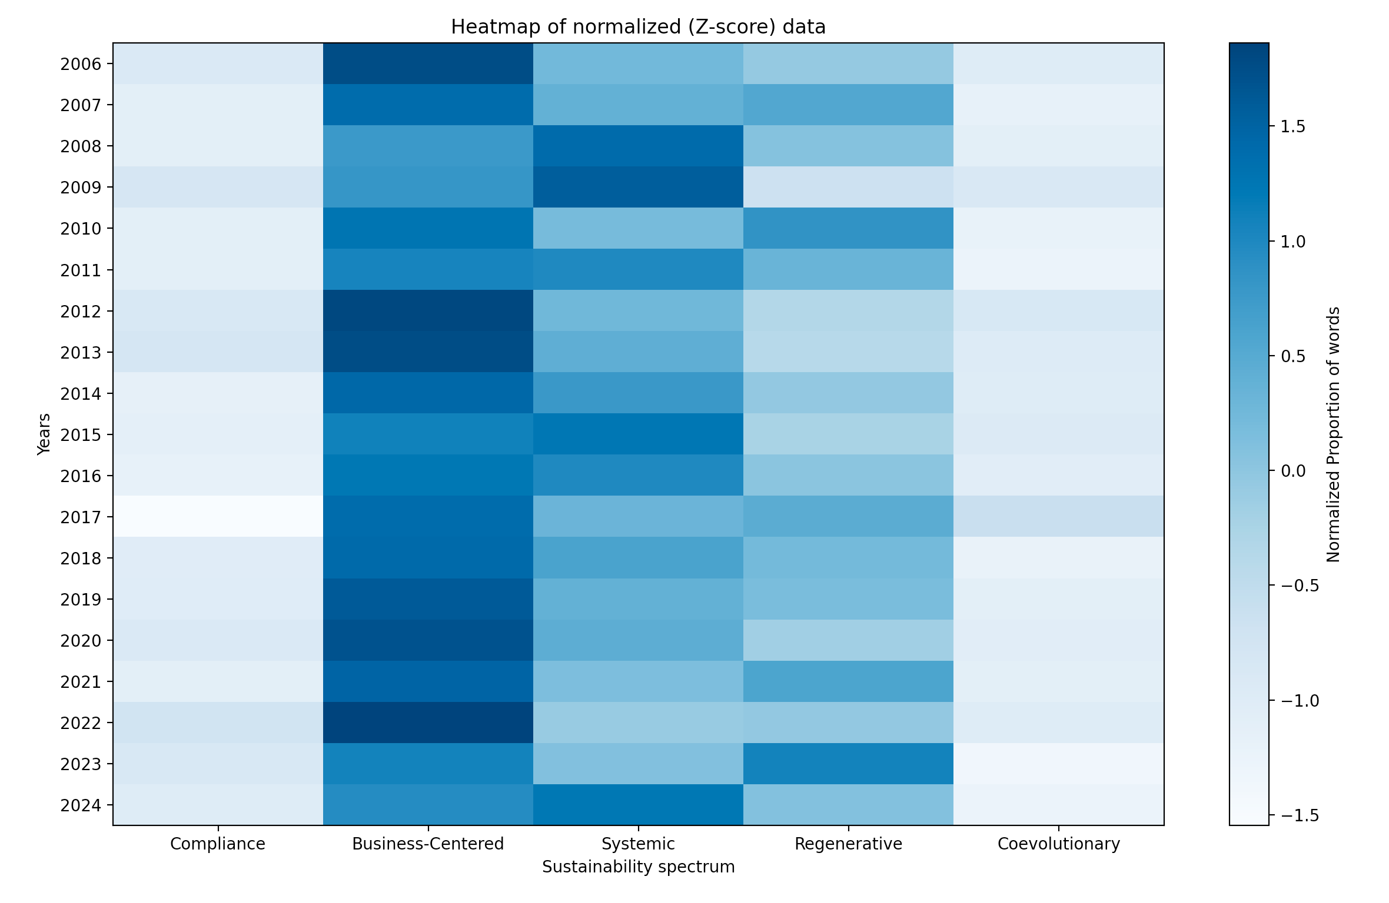
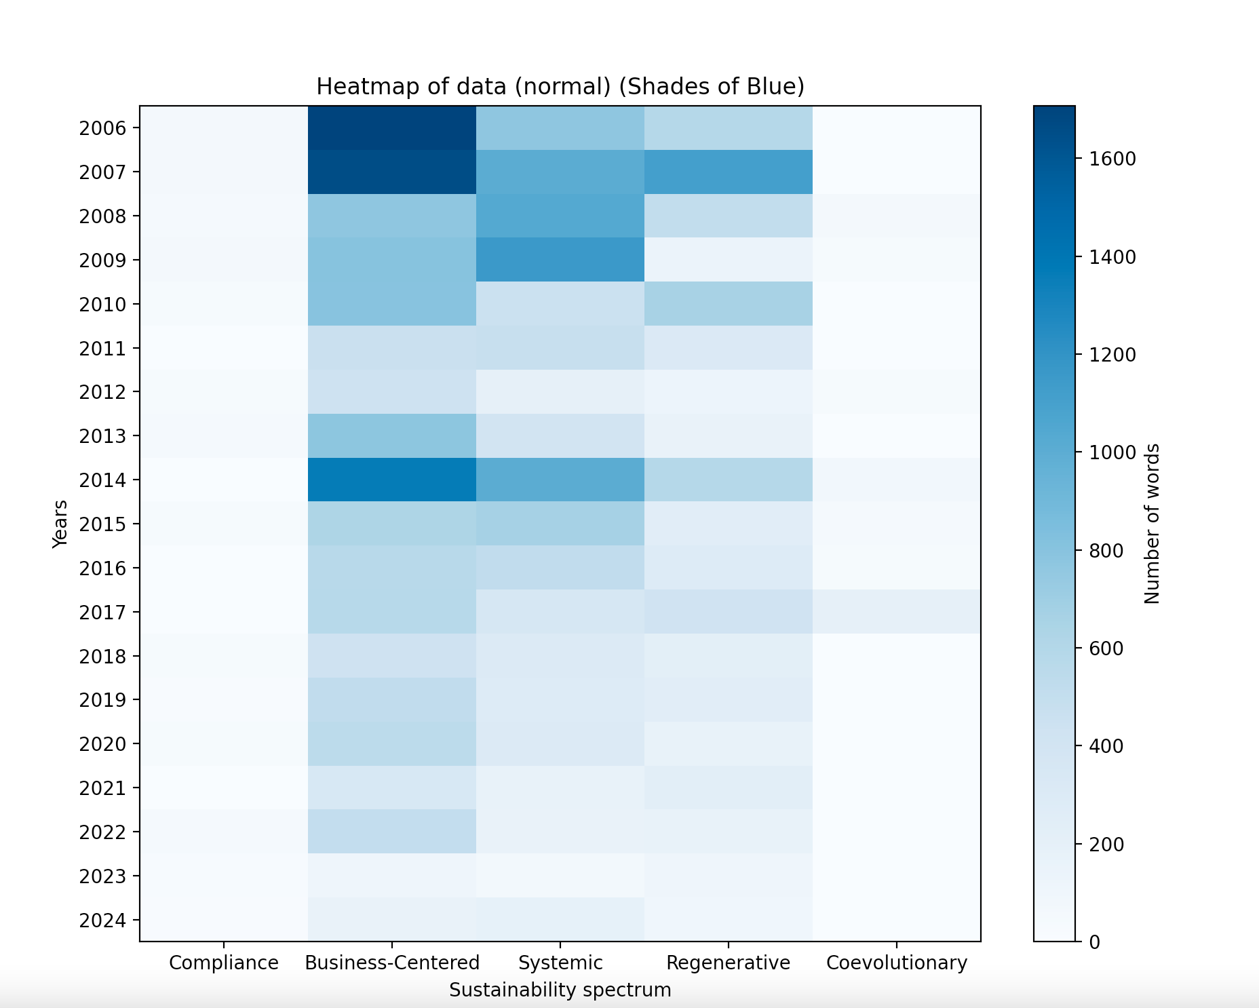
 |  |  |  |  |  |  |  |  |  |  |  |  | 5. Coevolutionary | 4. Regenerative | 3. Systemic | 2. Business-Centered | 1. Compliance

 |  |  |  |  |  |  |  |  |  |  |  | source(%) | 0.0072788100728 | 0.16252995163 | 0.61449432614 | 1.4592431846 | 0.56417559564 | 2.8077218681
 |  |  |  |  |  |  |  |  |  |  |  | own (%) | 0.41144361512 | 6.1953384493 | 9.0258771263 | 12.634823467 | 0.55730420308 | 28.824786861

 |  |  |  |  |  |  |  |  |  |  | source=bas

